Portfolio Company Financials
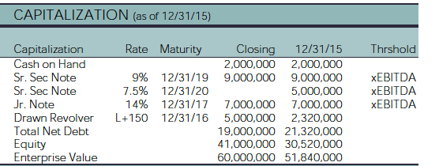
Portfolio Company Financials - Data points
Most recent profit & loss, balance sheet, and debt maturity information.
All amounts in Company Currency
Amount provided are at the fund level
Reporting Date | 2025-03-31 | QTR 1
 |  | P&L Current Period [CP] |  |  |  | P&L [Previous Period] |  |  |  | P&L [Second Previous Period] |  |  |  | Balance Sheet |  |  | Debt Maturity
Company | Company Currency | Operating Data Date | Data Type | LTM Revenue | LTM EBITDA | Operating Data Date | Data Type | LTM Revenue | LTM EBITDA | Operating Data Date | Data Type | LTM Revenue | LTM EBITDA | Cash | Book Value | Gross Debt | 1 Year | 2 Years | 3 Years | 4 years | 5 Years | After 5 years

 |  |  |  |  |  | Find a way to extract this

 |  | Column Name | Description
 |  | YOY % Growth (Revenue) | Year-over-year percentage growth in revenue
 |  | LTM EBITDA (Pro-forma) | Last twelve months’ EBITDA, adjusted for pro-forma events
 |  | YOY % Growth (EBITDA) | Year-over-year percentage growth in EBITDA
 |  | EBITDA Margin | EBITDA as a percentage of revenue
 |  | Total Enterprise Value (TEV) | Valuation of the entire company including debt and equity
 |  | TEV Multiple | TEV divided by LTM EBITDA (e.g., EV/EBITDA multiple) |  |  | Find a way to extract this
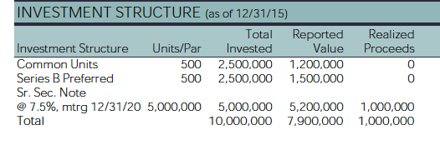
 |  | Total Leverage | Total debt on the company’s balance sheet
 |  | Total Leverage Multiple | Total debt divided by LTM EBITDA (Debt/EBITDA)

 |  |  |  |  |  | Find a way to extract this

